Summary
Estimated Annual Signal Retiming Benefits
Corridor:
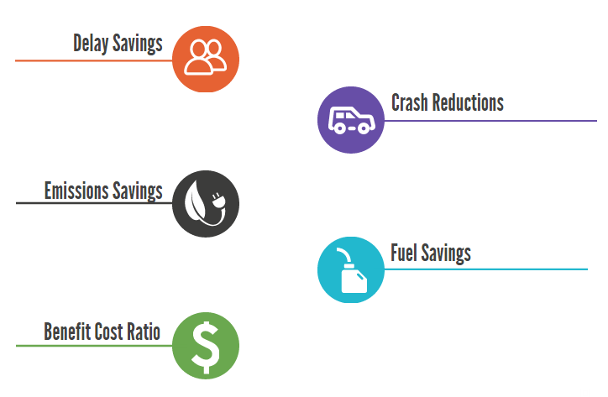

Hours

0 Crashes
$0

0
$-

#N/A
$-

0

